Arquitectura de Nuevo Alcance
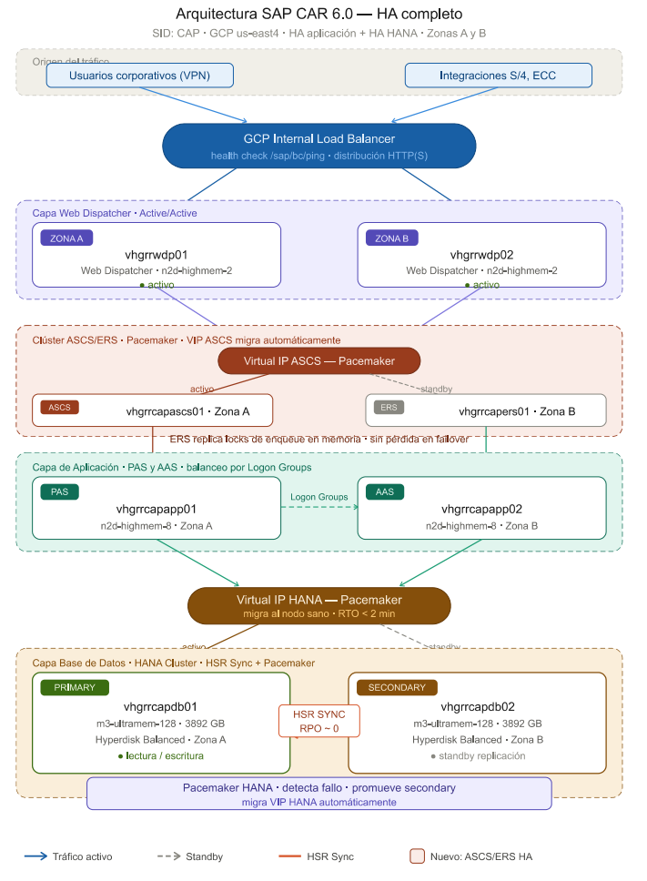
Arquitectura de Alcance - SAP CAR PRD

